Model Guide
Model Guide

Key

Input cell | 1,000
Source Reference | xxx
Calculation cell | 1,000
Calculated percentage | %
Total | 1,000
Check cell - no error | Ok
Check cell - error | Error

Pricing Process

Aurora Energy’s pricing process is designed to support an efficient level of investment in our network for the long-term benefit of customers, and to comply with the Electricity Authority’s 2019 pricing principles. Prices are set to signal the underlying costs of supplying services, using a four step process as outlined below. This Cost of Supply Model (CoSM) is used for steps 2 and 3 of the pricing process.

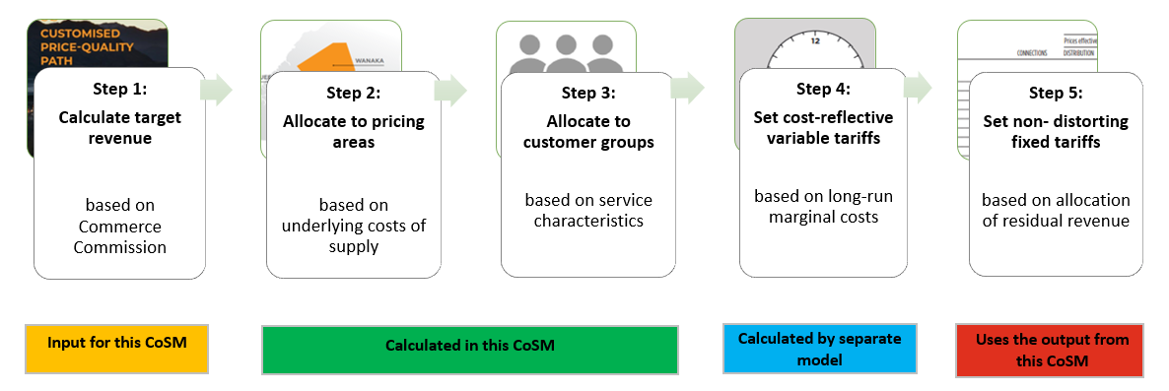

Model flow diagram
Target Revenue
Pricing Area Allocations
Pricing Methodology Tables
Inputs
Calculations
Outputs

Allocator Data

Target Revenue by Pricing Area and Customer Load Group
Customer Load Group Allocations
RAB & RAB Depreciation Allocations

Asset Mapping

Model overview

The purpose of this model is to allocate the target revenue to: 1. Pricing areas based on the underlying costs of supply, 2. Customer load groups based on service characteristics. A detailed rationale for allocating costs is provided in our Pricing Methodology.

The model has 3 key steps:

1. Target revenue is entered by component and then allocated to pricing areas based on a proxy allocator of the cost driver. For example, capital related costs are allocated to each pricing area based on the relative RAB value in each pricing area.
2. The RAB and RAB depreciation are allocated to customer load groups based on each load group's use of network assets, for example larger customers make proportionately more use of HV assets than smaller customers.
3. Each pricing area's target revenue is further allocated to customer load groups based on underlying service characteristics and use of the network.

Input sheet guide

Target revenue

In the Target Revenue sheet: 1. Each component of target revenue is entered, with totals reconciling to the Annual Price-Setting Disclosure Statement. 2. For each component of target revenue a pricing area allocator is selected to determine what proportion of this target revenue is allocated to each pricing area. 3. For each component of target revenue a load group allocator is selected to determine how each component of target revenue is allocated to customer load groups within each pricing area. 4. Each component of target revenue is assigned as being either distribution or passthrough. This determines whether the component of target revenue is recovered through distribution tariffs, or passthrough tariffs. 5. Each component of target revenue is assigned a cost type. The cost type is used for reporting purposes only, and does not impact prices. 6. The model scales distribution revenue components to match the limit on forecast revenue from prices as disclosed in the annual price-setting statement. Passthrough and recoverable revenue components are not scaled.

Allocator Data

In the Allocator Data sheet the allocators are input at the pricing area and where possible, customer load group level.

Asset Mapping

In the Asset Mapping sheet: 1. Each asset category is identified as supporting either the LV, or HV network. 2. For each customer load group there is a flag to indicate whether they are supplied from the LV, or HV network. 3. The model determines each load group's share of network assets based on the relative CPD values of each customer load group.

